Age compared to E&W
Resident population estimates by quinary age-group, mid-2025
This worksheet contains three tables and one chart.
Source: ONS, Population Estimates Unit. Figures rounded to the nearest hundred.
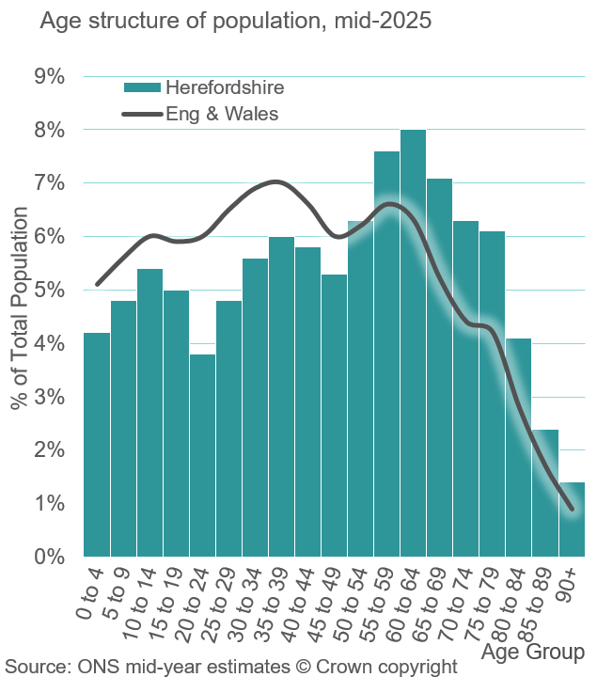
Table 1. Population by quinary age groups for Herefordshire and England & Wales
Age-group | Number in Herefordshire | Number in England & Wales (thousands) | % of Total in Herefordshire | % of Total in England & Wales
0 to 4 | 8,100 | 3,148.0 | 4.2% | 5.1%
5 to 9 | 9,300 | 3,479.1 | 4.8% | 5.6%
10 to 14 | 10,300 | 3,699.2 | 5.4% | 6.0%
15 to 19 | 9,600 | 3,678.6 | 5.0% | 5.9%
20 to 24 | 7,400 | 3,718.4 | 3.8% | 6.0%
25 to 29 | 9,300 | 4,054.1 | 4.8% | 6.5%
30 to 34 | 10,700 | 4,271.1 | 5.6% | 6.9%
35 to 39 | 11,600 | 4,337.7 | 6.0% | 7.0%
40 to 44 | 11,100 | 4,102.0 | 5.8% | 6.6%
45 to 49 | 10,200 | 3,747.8 | 5.3% | 6.0%
50 to 54 | 12,200 | 3,869.9 | 6.3% | 6.2%
55 to 59 | 14,600 | 4,073.1 | 7.6% | 6.6%
60 to 64 | 15,400 | 3,891.5 | 8.0% | 6.3%
65 to 69 | 13,700 | 3,246.9 | 7.1% | 5.2%
70 to 74 | 12,200 | 2,738.5 | 6.3% | 4.4%
75 to 79 | 11,800 | 2,631.3 | 6.1% | 4.2%
80 to 84 | 7,800 | 1,714.2 | 4.1% | 2.8%
85 to 89 | 4,600 | 1,027.1 | 2.4% | 1.7%
90+ | 2,600 | 581.4 | 1.4% | 0.9%
All ages | 192,500 | 62,010.0 | 100.0% | 100.0%
Table 2. Population by other age-groups of interest for Herefordshire and England & Wales
Age-group | Number in Herefordshire | Number in England & Wales (thousands) | % of Total in Herefordshire | % of Total in England & Wales
Under 16 | 29,800 | 11,073.7 | 15.5% | 17.9%
16 to 29 | 24,100 | 10,703.7 | 12.5% | 17.3%
30 to 44 | 33,400 | 12,710.8 | 17.4% | 20.5%
45 to 64 | 52,500 | 15,582.3 | 27.3% | 25.1%
65 to 74 | 25,900 | 5,985.4 | 13.5% | 9.7%
75 to 84 | 19,600 | 4,345.6 | 10.2% | 7.0%
85+ | 7,200 | 1,608.5 | 3.7% | 2.6%
Table 3. Population by broad age-groups for Herefordshire and England & Wales
Age-group | Number in Herefordshire | Number in England & Wales (thousands) | % of Total in Herefordshire | % of Total in England & Wales
<16 | 29,800 | 11,073.7 | 15.5% | 17.9%
16 to 64 | 110,000 | 38,996.8 | 57.1% | 62.9%
60+ | 68,200 | 15,830.9 | 35.4% | 25.5%
65+ | 52,700 | 11,939.4 | 27.4% | 19.3%
Please note that figures may not add exactly due to rounding
Percentages are calculated based on rounded figures

