Table and chart
Age structure of population in Herefordshire and England and Wales, mid-2025
This worksheet contains one table and one chart.
Source: ONS, Population Estimates Unit
Table 1. Resident population of Herefordshire and England and Wales by single year of age and gender
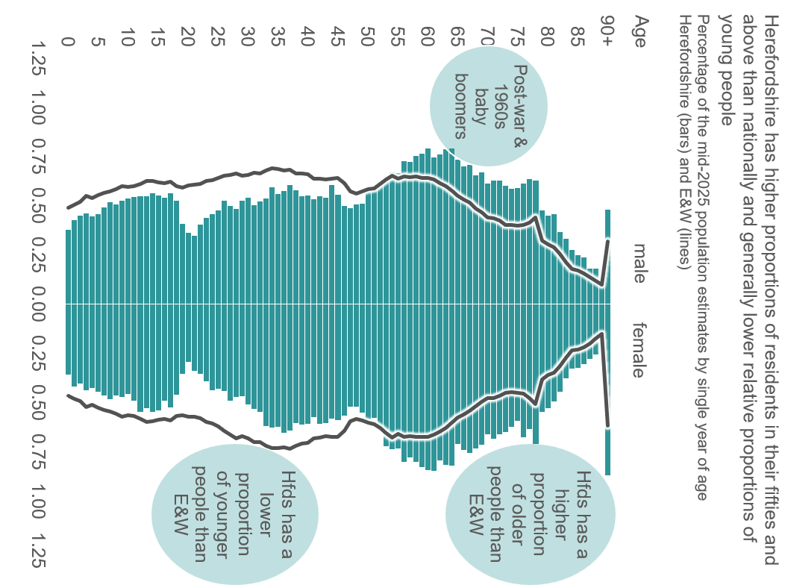
Gender | Age | Number in Herefordshire | Percentage of total in Herefordshire | Number in England & Wales | Percentage of total in England & Wales
ALL PERSONS | ALL AGES | 192,539 | 100.00 | 62,009,993 | 100.00
MALES | 0 | 728 | 0.38 | 304,246 | 0.49
MALES | 1 | 823 | 0.43 | 313,370 | 0.51
MALES | 2 | 865 | 0.45 | 322,091 | 0.52
MALES | 3 | 892 | 0.46 | 340,014 | 0.55
MALES | 4 | 864 | 0.45 | 334,170 | 0.54
MALES | 5 | 880 | 0.46 | 343,768 | 0.55
MALES | 6 | 948 | 0.49 | 350,059 | 0.56
MALES | 7 | 1,002 | 0.52 | 354,632 | 0.57
MALES | 8 | 975 | 0.51 | 362,307 | 0.58
MALES | 9 | 1,016 | 0.53 | 372,265 | 0.60
MALES | 10 | 1,039 | 0.54 | 368,793 | 0.59
MALES | 11 | 1,054 | 0.55 | 370,344 | 0.60
MALES | 12 | 1,060 | 0.55 | 379,256 | 0.61
MALES | 13 | 1,061 | 0.55 | 387,794 | 0.63
MALES | 14 | 1,090 | 0.57 | 388,690 | 0.63
MALES | 15 | 1,068 | 0.55 | 382,605 | 0.62
MALES | 16 | 1,041 | 0.54 | 380,739 | 0.61
MALES | 17 | 1,089 | 0.57 | 385,501 | 0.62
MALES | 18 | 1,011 | 0.53 | 370,875 | 0.60
MALES | 19 | 785 | 0.41 | 367,406 | 0.59
MALES | 20 | 702 | 0.36 | 373,921 | 0.60
MALES | 21 | 672 | 0.35 | 375,251 | 0.61
MALES | 22 | 778 | 0.40 | 377,961 | 0.61
MALES | 23 | 843 | 0.44 | 386,892 | 0.62
MALES | 24 | 882 | 0.46 | 389,653 | 0.63
MALES | 25 | 919 | 0.48 | 397,533 | 0.64
MALES | 26 | 1,017 | 0.53 | 404,466 | 0.65
MALES | 27 | 965 | 0.50 | 405,695 | 0.65
MALES | 28 | 934 | 0.49 | 411,487 | 0.66
MALES | 29 | 1,013 | 0.53 | 404,335 | 0.65
MALES | 30 | 1,041 | 0.54 | 405,664 | 0.65
MALES | 31 | 969 | 0.50 | 413,156 | 0.67
MALES | 32 | 1,007 | 0.52 | 412,190 | 0.66
MALES | 33 | 1,036 | 0.54 | 421,692 | 0.68
MALES | 34 | 1,147 | 0.60 | 426,799 | 0.69
MALES | 35 | 1,078 | 0.56 | 425,374 | 0.69
MALES | 36 | 1,112 | 0.58 | 420,052 | 0.68
MALES | 37 | 1,169 | 0.61 | 422,653 | 0.68
MALES | 38 | 1,120 | 0.58 | 412,038 | 0.66
MALES | 39 | 1,056 | 0.55 | 411,444 | 0.66
MALES | 40 | 1,066 | 0.55 | 409,396 | 0.66
MALES | 41 | 1,032 | 0.54 | 395,355 | 0.64
MALES | 42 | 1,056 | 0.55 | 394,933 | 0.64
MALES | 43 | 1,047 | 0.54 | 393,025 | 0.63
MALES | 44 | 1,167 | 0.61 | 395,748 | 0.64
MALES | 45 | 1,075 | 0.56 | 397,510 | 0.64
MALES | 46 | 960 | 0.50 | 381,065 | 0.61
MALES | 47 | 939 | 0.49 | 354,940 | 0.57
MALES | 48 | 979 | 0.51 | 348,403 | 0.56
MALES | 49 | 986 | 0.51 | 355,162 | 0.57
MALES | 50 | 1,113 | 0.58 | 362,191 | 0.58
MALES | 51 | 1,127 | 0.59 | 364,964 | 0.59
MALES | 52 | 1,201 | 0.62 | 378,942 | 0.61
MALES | 53 | 1,209 | 0.63 | 392,202 | 0.63
MALES | 54 | 1,294 | 0.67 | 404,550 | 0.65
MALES | 55 | 1,281 | 0.67 | 393,907 | 0.64
MALES | 56 | 1,401 | 0.73 | 401,986 | 0.65
MALES | 57 | 1,391 | 0.72 | 399,581 | 0.64
MALES | 58 | 1,449 | 0.75 | 402,438 | 0.65
MALES | 59 | 1,473 | 0.77 | 397,706 | 0.64
MALES | 60 | 1,527 | 0.79 | 398,206 | 0.64
MALES | 61 | 1,438 | 0.75 | 392,018 | 0.63
MALES | 62 | 1,470 | 0.76 | 381,405 | 0.62
MALES | 63 | 1,517 | 0.79 | 371,542 | 0.60
MALES | 64 | 1,528 | 0.79 | 357,637 | 0.58
MALES | 65 | 1,413 | 0.73 | 340,959 | 0.55
MALES | 66 | 1,351 | 0.70 | 329,631 | 0.53
MALES | 67 | 1,361 | 0.71 | 318,482 | 0.51
MALES | 68 | 1,265 | 0.66 | 301,905 | 0.49
MALES | 69 | 1,288 | 0.67 | 288,137 | 0.46
MALES | 70 | 1,180 | 0.61 | 272,999 | 0.44
MALES | 71 | 1,211 | 0.63 | 269,903 | 0.44
MALES | 72 | 1,211 | 0.63 | 262,826 | 0.42
MALES | 73 | 1,160 | 0.60 | 250,034 | 0.40
MALES | 74 | 1,128 | 0.59 | 248,193 | 0.40
MALES | 75 | 1,139 | 0.59 | 246,606 | 0.40
MALES | 76 | 1,183 | 0.61 | 248,533 | 0.40
MALES | 77 | 1,225 | 0.64 | 256,654 | 0.41
MALES | 78 | 1,211 | 0.63 | 272,001 | 0.44
MALES | 79 | 920 | 0.48 | 200,409 | 0.32
MALES | 80 | 868 | 0.45 | 187,444 | 0.30
MALES | 81 | 883 | 0.46 | 179,220 | 0.29
MALES | 82 | 711 | 0.37 | 156,860 | 0.25
MALES | 83 | 641 | 0.33 | 131,911 | 0.21
MALES | 84 | 534 | 0.28 | 109,626 | 0.18
MALES | 85 | 481 | 0.25 | 106,181 | 0.17
MALES | 86 | 458 | 0.24 | 97,074 | 0.16
MALES | 87 | 348 | 0.18 | 85,768 | 0.14
MALES | 88 | 353 | 0.18 | 72,863 | 0.12
MALES | 89 | 263 | 0.14 | 60,503 | 0.10
MALES | 90+ | 930 | 0.48 | 198,003 | 0.32
FEMALES | 0 | 691 | 0.36 | 289,221 | 0.47
FEMALES | 1 | 809 | 0.42 | 298,563 | 0.48
FEMALES | 2 | 780 | 0.41 | 305,419 | 0.49
FEMALES | 3 | 849 | 0.44 | 323,222 | 0.52
FEMALES | 4 | 826 | 0.43 | 317,654 | 0.51
FEMALES | 5 | 858 | 0.45 | 327,342 | 0.53
FEMALES | 6 | 900 | 0.47 | 332,347 | 0.54
FEMALES | 7 | 932 | 0.48 | 337,204 | 0.54
FEMALES | 8 | 899 | 0.47 | 345,312 | 0.56
FEMALES | 9 | 911 | 0.47 | 353,853 | 0.57
FEMALES | 10 | 882 | 0.46 | 350,888 | 0.57
FEMALES | 11 | 944 | 0.49 | 352,948 | 0.57
FEMALES | 12 | 1,060 | 0.55 | 360,870 | 0.58
FEMALES | 13 | 1,021 | 0.53 | 370,365 | 0.60
FEMALES | 14 | 1,054 | 0.55 | 369,295 | 0.60
FEMALES | 15 | 1,041 | 0.54 | 364,781 | 0.59
FEMALES | 16 | 950 | 0.49 | 361,275 | 0.58
FEMALES | 17 | 1,016 | 0.53 | 365,318 | 0.59
FEMALES | 18 | 887 | 0.46 | 351,093 | 0.57
FEMALES | 19 | 683 | 0.35 | 349,027 | 0.56
FEMALES | 20 | 570 | 0.30 | 354,068 | 0.57
FEMALES | 21 | 655 | 0.34 | 353,897 | 0.57
FEMALES | 22 | 684 | 0.36 | 360,174 | 0.58
FEMALES | 23 | 755 | 0.39 | 371,642 | 0.60
FEMALES | 24 | 845 | 0.44 | 374,941 | 0.60
FEMALES | 25 | 832 | 0.43 | 383,861 | 0.62
FEMALES | 26 | 855 | 0.44 | 399,942 | 0.64
FEMALES | 27 | 947 | 0.49 | 410,747 | 0.66
FEMALES | 28 | 908 | 0.47 | 421,466 | 0.68
FEMALES | 29 | 905 | 0.47 | 414,572 | 0.67
FEMALES | 30 | 982 | 0.51 | 423,255 | 0.68
FEMALES | 31 | 1,030 | 0.53 | 433,744 | 0.70
FEMALES | 32 | 1,059 | 0.55 | 435,340 | 0.70
FEMALES | 33 | 1,197 | 0.62 | 446,837 | 0.72
FEMALES | 34 | 1,210 | 0.63 | 452,424 | 0.73
FEMALES | 35 | 1,200 | 0.62 | 453,194 | 0.73
FEMALES | 36 | 1,259 | 0.65 | 450,683 | 0.73
FEMALES | 37 | 1,238 | 0.64 | 456,282 | 0.74
FEMALES | 38 | 1,166 | 0.61 | 446,010 | 0.72
FEMALES | 39 | 1,179 | 0.61 | 439,965 | 0.71
FEMALES | 40 | 1,172 | 0.61 | 436,318 | 0.70
FEMALES | 41 | 1,110 | 0.58 | 421,714 | 0.68
FEMALES | 42 | 1,173 | 0.61 | 420,873 | 0.68
FEMALES | 43 | 1,169 | 0.61 | 415,730 | 0.67
FEMALES | 44 | 1,119 | 0.58 | 418,896 | 0.68
FEMALES | 45 | 1,134 | 0.59 | 417,375 | 0.67
FEMALES | 46 | 1,094 | 0.57 | 397,991 | 0.64
FEMALES | 47 | 1,004 | 0.52 | 368,313 | 0.59
FEMALES | 48 | 1,005 | 0.52 | 360,541 | 0.58
FEMALES | 49 | 1,063 | 0.55 | 366,457 | 0.59
FEMALES | 50 | 1,133 | 0.59 | 372,979 | 0.60
FEMALES | 51 | 1,114 | 0.58 | 377,129 | 0.61
FEMALES | 52 | 1,204 | 0.63 | 390,759 | 0.63
FEMALES | 53 | 1,390 | 0.72 | 404,999 | 0.65
FEMALES | 54 | 1,423 | 0.74 | 421,210 | 0.68
FEMALES | 55 | 1,412 | 0.73 | 409,313 | 0.66
FEMALES | 56 | 1,549 | 0.80 | 418,122 | 0.67
FEMALES | 57 | 1,499 | 0.78 | 415,997 | 0.67
FEMALES | 58 | 1,547 | 0.80 | 417,195 | 0.67
FEMALES | 59 | 1,600 | 0.83 | 416,878 | 0.67
FEMALES | 60 | 1,629 | 0.85 | 417,115 | 0.67
FEMALES | 61 | 1,633 | 0.85 | 410,849 | 0.66
FEMALES | 62 | 1,534 | 0.80 | 400,364 | 0.65
FEMALES | 63 | 1,578 | 0.82 | 389,648 | 0.63
FEMALES | 64 | 1,581 | 0.82 | 372,738 | 0.60
FEMALES | 65 | 1,370 | 0.71 | 356,946 | 0.58
FEMALES | 66 | 1,426 | 0.74 | 346,810 | 0.56
FEMALES | 67 | 1,460 | 0.76 | 335,351 | 0.54
FEMALES | 68 | 1,414 | 0.73 | 321,596 | 0.52
FEMALES | 69 | 1,376 | 0.71 | 307,121 | 0.50
FEMALES | 70 | 1,274 | 0.66 | 295,472 | 0.48
FEMALES | 71 | 1,319 | 0.69 | 295,143 | 0.48
FEMALES | 72 | 1,277 | 0.66 | 287,818 | 0.46
FEMALES | 73 | 1,255 | 0.65 | 278,612 | 0.45
FEMALES | 74 | 1,202 | 0.62 | 277,483 | 0.45
FEMALES | 75 | 1,146 | 0.60 | 279,682 | 0.45
FEMALES | 76 | 1,304 | 0.68 | 282,469 | 0.46
FEMALES | 77 | 1,224 | 0.64 | 295,263 | 0.48
FEMALES | 78 | 1,369 | 0.71 | 313,846 | 0.51
FEMALES | 79 | 1,060 | 0.55 | 235,884 | 0.38
FEMALES | 80 | 1,022 | 0.53 | 223,816 | 0.36
FEMALES | 81 | 957 | 0.50 | 216,448 | 0.35
FEMALES | 82 | 863 | 0.45 | 195,001 | 0.31
FEMALES | 83 | 731 | 0.38 | 168,737 | 0.27
FEMALES | 84 | 633 | 0.33 | 145,146 | 0.23
FEMALES | 85 | 629 | 0.33 | 143,481 | 0.23
FEMALES | 86 | 593 | 0.31 | 134,857 | 0.22
FEMALES | 87 | 537 | 0.28 | 123,237 | 0.20
FEMALES | 88 | 495 | 0.26 | 108,474 | 0.17
FEMALES | 89 | 398 | 0.21 | 94,627 | 0.15
FEMALES | 90+ | 1,674 | 0.87 | 383,411 | 0.62
Notes and Definitions 1. It is ONS policy to publish population estimates rounded to at least the nearest hundred persons. These unit-level estimates are provided to enable and encourage further calculations and analysis. However, the estimates cannot be guaranteed to be as exact as the level of detail implied by unit-level data. We request that data are rounded to the nearest 100 if quoted in any publication, documentation or similar. 2. The estimated resident population of an area includes all those people who usually live there, regardless of nationality. Arriving international migrants are included in the usually resident population if they remain in the UK for at least a year. Emigrants are excluded if they remain outside the UK for at least a year. This is consistent with the United Nations definition of a long-term migrant. Armed forces stationed outside of the UK are excluded. Students are taken to be usually resident at their term time address. 3. At a subnational level, the population estimates reflect boundaries in place as of the reference year. 4. Local estimates are now calculated by single year of age; but these figures are less reliable and we advise that single year of age data for local areas should be aggregated to at least five-year age groupings for use in further calculations, onwards circulation, or for presentation purposes. (Splitting into 0 year olds and 1-4 year olds is an acceptable exception). 5. Further advice on the appropriate use of these data can be obtained by emailing pop.info@ons.gsi.gov.uk or phoning
+44 (0) 1329 444661 and asking to speak to a statistician.
Source: Office for National Statistics © Crown Copyright 2026

