Components of change
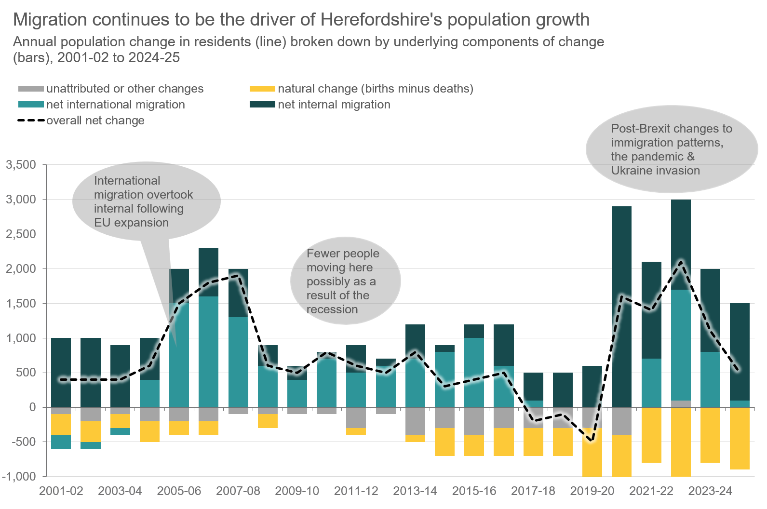
Table. Annual population change breakdown by year (2001-02 to 2024-25)
Year | start population | births | deaths | natural change (births minus deaths) | net internal migration | net international migration | unattributed or other changes | overall net change | end population
2001-02 | 174,900 | 1,600 | 1,900 | -300 | 1,000 | -200 | -100 | 400 | 175,300
2002-03 | 175,300 | 1,600 | 1,900 | -300 | 1,000 | -100 | -200 | 400 | 175,600
2003-04 | 175,600 | 1,700 | 1,900 | -200 | 900 | -100 | -100 | 400 | 176,000
2004-05 | 176,000 | 1,700 | 2,000 | -300 | 600 | 400 | -200 | 600 | 176,600
2005-06 | 176,600 | 1,700 | 1,900 | -200 | 500 | 1,500 | -200 | 1,500 | 178,100
2006-07 | 178,100 | 1,700 | 2,000 | -200 | 700 | 1,600 | -200 | 1,800 | 179,900
2007-08 | 179,900 | 1,900 | 1,900 | 0 | 700 | 1,300 | -100 | 1,900 | 181,800
2008-09 | 181,800 | 1,800 | 2,000 | -200 | 300 | 600 | -100 | 600 | 182,400
2009-10 | 182,400 | 1,800 | 1,800 | 0 | 200 | 400 | -100 | 500 | 182,900
2010-11 | 182,900 | 1,900 | 1,900 | 0 | 100 | 700 | -100 | 800 | 183,600
2011-12 | 183,600 | 1,900 | 1,900 | -100 | 400 | 500 | -300 | 600 | 184,200
2012-13 | 184,200 | 1,900 | 1,900 | 0 | 100 | 600 | -100 | 500 | 184,700
2013-14 | 184,700 | 1,800 | 1,800 | -100 | 500 | 700 | -400 | 800 | 185,500
2014-15 | 185,500 | 1,700 | 2,100 | -400 | 100 | 800 | -300 | 300 | 185,800
2015-16 | 185,800 | 1,700 | 2,100 | -300 | 200 | 1,000 | -400 | 400 | 186,200
2016-17 | 186,200 | 1,700 | 2,100 | -400 | 600 | 600 | -300 | 500 | 186,700
2017-18 | 186,700 | 1,800 | 2,200 | -400 | 400 | 100 | -300 | -200 | 186,500
2018-19 | 186,500 | 1,700 | 2,100 | -400 | 500 | 0 | -300 | -100 | 186,400
2019-20 | 186,400 | 1,600 | 2,300 | -700 | 600 | -100 | -300 | -500 | 185,900
2020-21 | 185,900 | 1,500 | 2,200 | -700 | 2,900 | -100 | -400 | 1,600 | 187,500
2021-22 | 187,500 | 1,600 | 2,300 | -800 | 1,400 | 700 | 0 | 1,400 | 188,900
2022-23 | 188,900 | 1,500 | 2,500 | -1000 | 1,300 | 1,600 | 100 | 2,100 | 190,900
2023-24 | 190,900 | 1,600 | 2,400 | -800 | 1,200 | 800 | 0 | 1,100 | 192,100
2024-25 | 192,100 | 1,400 | 2,400 | -900 | 1,400 | 100 | 0 | 500 | 192,500
2025-26 | 192,500
Data source: Annual Mid-Year Population Estimates for the UK, Office for National Statistics © Crown Copyright 2026
Note 1 - The numbers of births and deaths shown in this table are rounded to the nearest 100 and the difference between them may
not be the same as the shown natural change, which is calculated from unrounded figures prior to rounding to the nearest 100.
Note 2 - Other changes presented in this table comprise changes to the size of armed forces stationed in the UK and other special
population adjustments. At geographies higher than local authority, adjustments due to rounding may also be included. This means
that other changes at local authority level may not sum to other changes at national level. A component of residual unattributed
change is also included; which is the difference between the revised estimates and the census results that has been distributed
back across the decade.

